Flowchart
Flowcharts

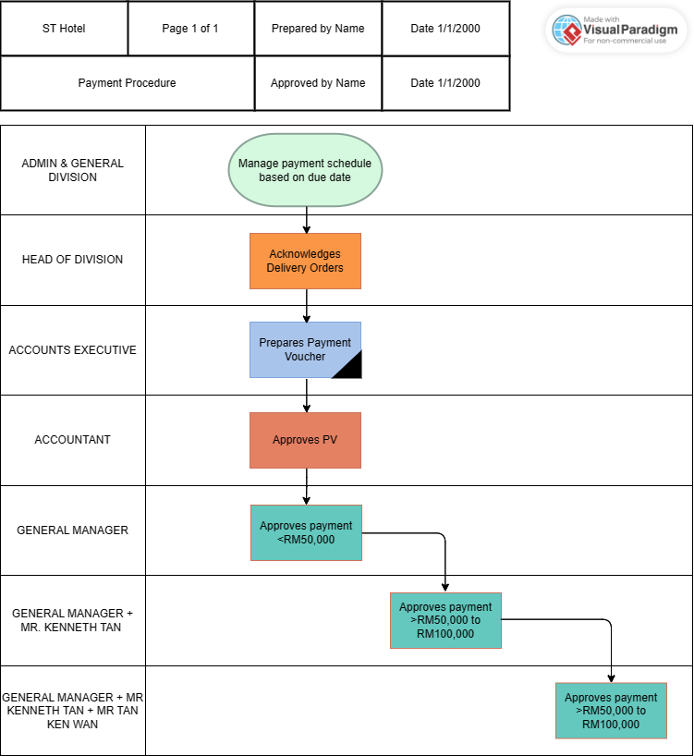

Narrative Notes

